Sheet1


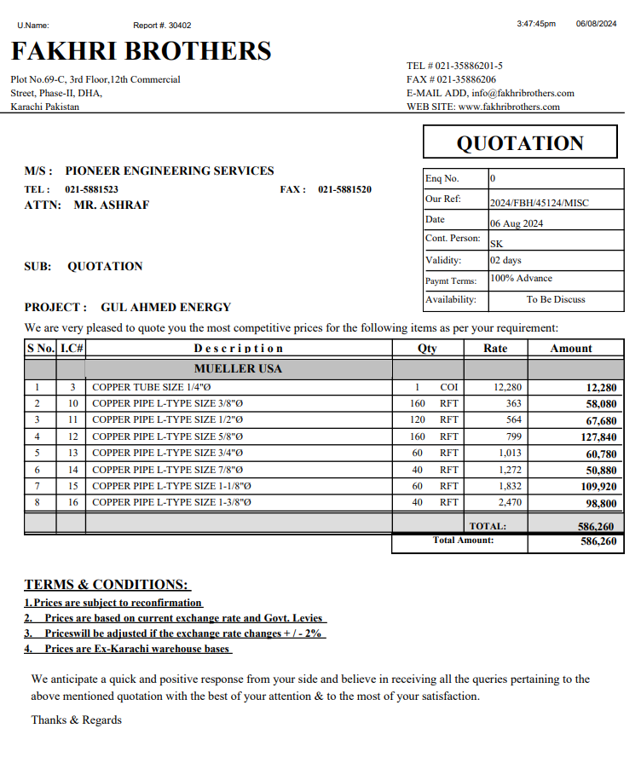
M/S ST Brothers |  |  |  |  | 7-Aug-24


PO # 13461
Att: Mr. Shakeel

PURCHASE ORDER

Supply of Copper pipe for the project Gul Ahmed Office Shahra e Faisal Karachi
S No. | D e s c r i p t i o n | Qty | Unit | Rate | Amount
 | Brand: Mueller USA
1 | Supply of Copper L-Type Mueller USA 3/8 | 160 | Rft | 363 | 58,080
2 | Supply of Copper L-Type Mueller USA 1/2 | 120 | Rft | 564 | 67,680
3 | Supply of Copper L-Type Mueller USA 5/8 | 160 | Rft | 799 | 127,840
4 | Supply of Copper L-Type Mueller USA 3/4 | 60 | Rft | 1,013 | 60,780
5 | Supply of Copper L-Type Mueller USA 7/8 | 40 | Rft | 1,272 | 50,880
6 | Supply of Copper L-Type Mueller USA 1-1/8 | 60 | Rft | 1,832 | 109,920
7 | Supply of Copper L-Type Mueller USA 1-3/8 | 40 | Rft | 2,470 | 98,800
 |  | TOTAL: |  |  | 573,980

for IK Associates

